GEC -- 1 ACO FY15
1 | Investment Number | GEC -- 1
2 | Hospital Name | Germantown Emergency Center
3 | Investment Category (click in cell to select from drop down) | Patient Centered Investment
4 | Investment Brief Description, including rationale and primary objective | The MidAtlantic ACO is the Adventist Healthcare Inc.-led Medicare Shared Savings Program in Montgomery County, Maryland. The goal of an ACO is to deliver seamless, high-quality care for Medicare beneficiaries, in a patient-centered environment, where the patient and providers are true partners in care decisions. The goal of the ACO includes, but is not limited to, the promotion of evidence-based medicine, the promotion of patient engagement, and the development of an infrastructure for network providers and suppliers to internally report on quality and cost metrics that enables the ACO to monitor, provide feedback, and evaluate its network providers’ and suppliers’ performance and to use these results to provide better care for individuals, improved health for populations, and lower per capita growth in expenditures for MSSP Enrollees.
5 | Target Patient Population | Medicare Beneficiaries
6 | Total Expenses | 9,935
7 | Total costs covered by restricted grant or donation? | $0
8 | Is investment in regulated, unregulated space, or both? | Unregulated Space
9 | Planning Start Date (Month/Year) | Sep-12
10 | Hospital Start (Month/Year) | Jan-14
11 | Types of Staff | Data Integration Analyst; Vice President, Population Health; Director of Center for Connected Health
12 | Total Annual FTEs | 6
13 | External Partners | Physician Practices and The George Washington Medical Faculty Associates
14 | Links with existing state-wide or regional infrastructure | The MidAtlantic ACO partners with the Maryland CRISP to deliver real-time health care data to the ACO practices that is actionable and pertinent to the health care needs of the patients in the ACO practices.
15 | Outcome(s) or Proposed Outcome Measures | The ACO measures quality outcomes in 4 different quality domains, and in 33 separate quality areas. These include: Patient care experience, Preventive Health Metrics, Patient Safety/Co-ordination, and Chronic Care Measures. The quality metrics include those for preventive cancer screenings, diabetes and cardiac care, vascular disease measures, and vaccinations
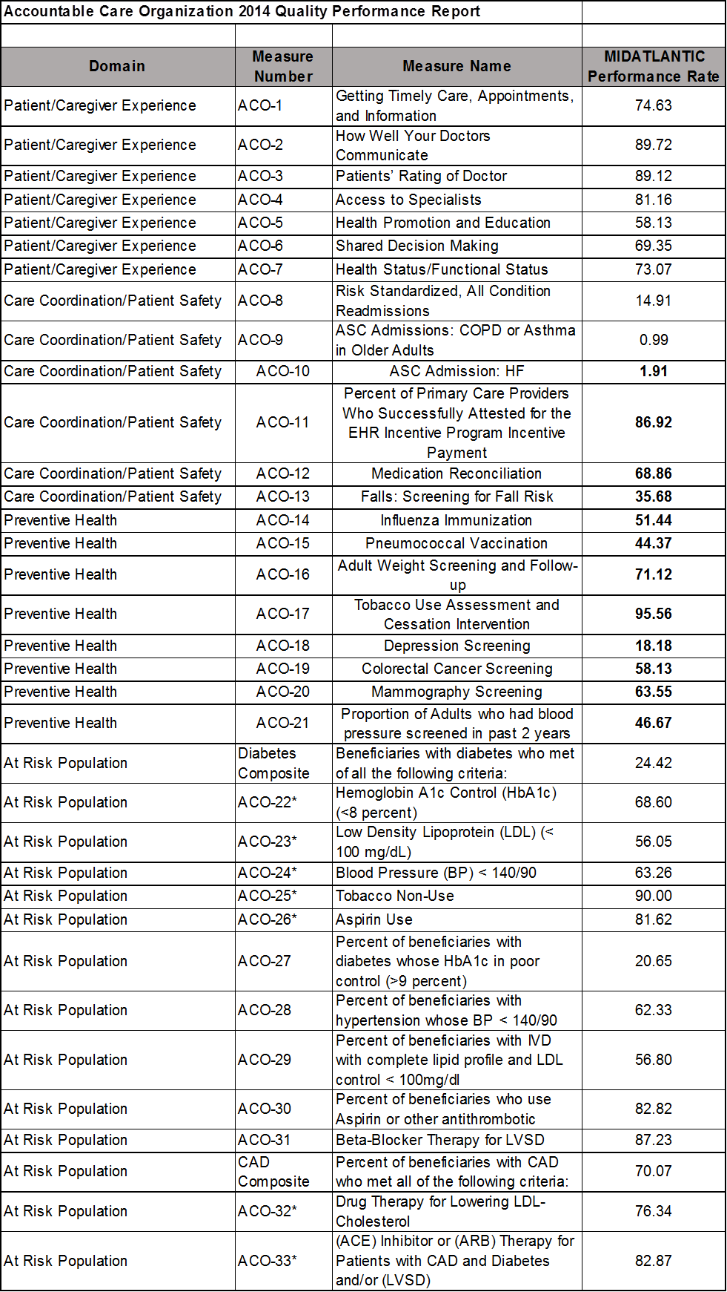
16 | Effectiveness of Investment in Achieving goals, including discussion of any barriers or lessons learned

17 | Additional Comments

