JohnsHopkinsHS
Hospital: Johns Hopkins Health Systems
System: | JHHS |  |  | For Start Date, Specify "FY XX Q1, Q2, Q3 or Q4 or N/A"
 | (Sub) Intervention Category (select from list) | (Sub) Intervention Name | Target Population | Pilot Qtr Start | Hospital-wide Qtr Start | System- Data Qtr Start | Staffing | Total FTEs | Partners | Technologies | Notes
Intervention 1 | Readm Risk Assessment | Risk Screens |  |  |  |  |  |  |  |  | Pilot units began interventions as noted in all system hospitals. See Addendums A and B below.
Sub-Category 1 |  | 1. Broad Screen on patients upon admission—all adult patients receive “Early Screen for Discharge Planning" | All patients | FY 12Q3 |  |  |  |  |  |  | Pilot units began interventions as noted in all system hospitals. See Addendums A and B below.
Sub-Category 2 |  | 2. In-depth Assessment—If fail initial risk screen or LOS > unit mean LOS, (use of D2S2 for decision support for the post-acute discharge plan). | "At risk" patients | FY 12Q3 |  |  |  |  |  |  | Pilot units began interventions as noted in all system hospitals. See Addendums A and B below.
Sub-Category 3 |  | 3. Pre-Discharge Readiness Checklist—for all patients prior to discharge. | All patients | FY 12Q3 |  |  |  |  |  |  | Pilot units began interventions as noted in all system hospitals. See Addendums A and B below.
Intervention 2 | Case Mgmt/Care Coordin | Interdisciplinary Care Planning |  | FY 12Q3 |  |  |  |  |  |  | Pilot units began interventions as noted in all system hospitals. See Addendums A and B below.
Sub-Category 1 |  | 1. Mandatory interdisciplinary rounds, (or alternative mechanism for all providercommunication)—Goals are real-time communication, care and transition planning. (Every patient, every day…all providers present) | All patients | FY 12Q3 |  |  |  |  |  |  | Pilot units began interventions as noted in all system hospitals. See Addendums A and B below.
Intervention 3 | Patient Education | Patient Family Education |  | FY 12Q3 |  |  |  |  |  |  | Pilot units began interventions as noted in all system hospitals. See Addendums A and B below.
Sub-Category 1 |  | 1. Teachback and patient education curriculum and competency for all providers | All patients | FY 12Q3 |  |  |  |  |  |  | Pilot units began interventions as noted in all system hospitals. See Addendums A and B below.
Sub-Category 2 |  | 2. Healthcare literacy and patient/family education needs assessment | All patients | FY 12Q3 |  |  |  |  |  |  | Pilot units began interventions as noted in all system hospitals. See Addendums A and B below.
Sub-Category 3 |  | 3. “After Hospital Discharge Plan” focused on 4 pillars (self care management, medication management, disease specific and red flags to report). | All patients | FY 12Q3 |  |  |  |  |  |  | Pilot units began interventions as noted in all system hospitals. See Addendums A and B below.
Sub-Category 4 |  | 4. Development of standardized Condition/Disease specific education materials to be used across | "At risk" patients | FY 12Q3 |  |  |  |  |  |  | Pilot units began interventions as noted in all system hospitals. See Addendums A and B below.
Intervention 4 | Medication Mgmt | Medication Management |  | FY 12Q3 |  |  |  |  |  |  | Pilot units began interventions as noted in all system hospitals. See Addendums A and B below.
Sub-Category 1 |  | 1. Improved Discharge Medication List | All patients | FY 12Q3 |  |  |  |  |  |  | Pilot units began interventions as noted in all system hospitals. See Addendums A and B below.
Sub-Category 2 |  | 2. Identification of new (i.e. meds started during hospitalization) and “high risk” medications. |  | FY 12Q3 |  |  |  |  |  |  | Pilot units began interventions as noted in all system hospitals. See Addendums A and B below.
Sub-Category 3 |  | 3. Post-discharge phone call for “high risk” patients | "At risk" patients | FY 12Q3 |  |  |  |  |  |  | Pilot units began interventions as noted in all system hospitals. See Addendums A and B below.
Sub-Category 4 |  | 4. Patient education by pharmacist |  | FY 12Q3 |  |  |  |  |  |  | Pilot units began interventions as noted in all system hospitals. See Addendums A and B below.
Sub-Category 5 |  | 5. Medication reconciliation | All patients | FY 12Q3 |  |  |  |  |  |  | Pilot units began interventions as noted in all system hospitals. See Addendums A and B below.
Sub-Category 6 |  | 6. Prescription medications in hand at discharge | All patients | FY 12Q3 |  |  |  |  |  |  | Pilot units began interventions as noted in all system hospitals. See Addendums A and B below.
Intervention 5 | Primary Care Handoff | Primary Provider Handoff |  | FY 12Q3 |  |  |  |  |  |  | Pilot units began interventions as noted in all system hospitals. See Addendums A and B below.
Sub-Category 1 |  | 1. All DC Summaries completed within 5 days of discharge | All patients | FY 12Q3 |  |  |  |  |  |  | Pilot units began interventions as noted in all system hospitals. See Addendums A and B below.
Sub-Category 2 |  | 2. DC summaries auto-faxed to referring and primary care physicians. | All patients | FY 12Q3 |  |  |  |  |  |  | Pilot units began interventions as noted in all system hospitals. See Addendums A and B below.
Sub-Category 3 |  | 3. Follow-up appointments in hand for discharged patients within 14 days of discharge | All patients | FY 12Q3 |  |  |  |  |  |  | Pilot units began interventions as noted in all system hospitals. See Addendums A and B below.
Sub-Category 4 |  | 4. Mechanism for urgent care follow-up | All patients | FY 12Q3 |  |  |  |  |  |  | Pilot units began interventions as noted in all system hospitals. See Addendums A and B below.
Intervention 6 | Clinical Pathways | ED Management |  | FY 12Q3 |  |  |  |  |  |  | Pilot units began interventions as noted in all system hospitals. See Addendums A and B below.
Sub-Category 1 |  | 1. Risk screening on presentation and before discharge | All patients | FY 12Q3 |  |  |  |  |  |  | Pilot units began interventions as noted in all system hospitals. See Addendums A and B below.
Sub-Category 2 |  | 2. Enhanced PCP communication (fax/real time) | All patients | FY 12Q3 |  |  |  |  |  |  | Pilot units began interventions as noted in all system hospitals. See Addendums A and B below.
Sub-Category 3 |  | 3. Disease specific/ED based interdepartmental algorithms: ED/Cardiology collaborative for Chest pain and CHF | "At risk" patients | FY 12Q3 |  |  |  |  |  |  | Pilot units began interventions as noted in all system hospitals. See Addendums A and B below.
Sub-Category 4 |  | 4. Expansion of Observation Services | "At risk" patients | FY 12Q3 |  |  |  |  |  |  | Pilot units began interventions as noted in all system hospitals. See Addendums A and B below.
Sub-Category 5 |  | 5. Follow-up appointments for PCP or specialty care clinics | All patients | FY 12Q3 |  |  |  |  |  |  | Pilot units began interventions as noted in all system hospitals. See Addendums A and B below.
Intervention 7 | Case Mgmt/Care Coordin | Transitions of Care |  | FY 12Q3 |  |  |  |  |  |  | Pilot units began interventions as noted in all system hospitals. See Addendums A and B below.
Sub-Category 1 |  | 1. Personal Coach (curriculum to develop volunteer patient advocates to reinforce transitions planning | "At risk" patients | FY 12Q3 |  |  |  |  |  |  | Pilot units began interventions as noted in all system hospitals. See Addendums A and B below.
Sub-Category 2 |  | 2. “Transitions Guide” home visits for high risk patients (Transition’s Guides are Registered Nurses,funded by the hospital and deployed by Johns Hopkins Home Care Group) for high risk patients who do not have identified skilled need. | "At risk" patients | FY 12Q3 |  |  |  |  |  |  | Pilot units began interventions as noted in all system hospitals. See Addendums A and B below.
Sub-Category 3 |  | 3. Follow-up phone calls (Pharmacy/Case Management) for those patients who are deemed to be at “Moderate Risk.” | "At risk" patients | FY 12Q3 |  |  |  |  |  |  | Pilot units began interventions as noted in all system hospitals. See Addendums A and B below.
Sub-Category 4 |  | 4. Appropriate post-acute referrals (Skilled Home Care, Long Term Care, Rehab, Palliative Care/Hospice | Ongoing skilled care need patients | FY 12Q3 |  |  |  |  |  |  | Pilot units began interventions as noted in all system hospitals. See Addendums A and B below.
Sub-Category 5 |  | 5. PAL Line: Patient “Anytime/Access” Line* (Centralized JHHS call center for post-discharge phone calls, and patient calls)* | All patients | FY 12Q3 |  |  |  |  |  |  | Pilot units began interventions as noted in all system hospitals. See Addendums A and B below.
Sub-Category 6 |  | 6. Handoffs and linkages to community providers (JHCP and JHHC) | All patients | FY 12Q3 |  |  |  |  |  |  | Pilot units began interventions as noted in all system hospitals. See Addendums A and B below.

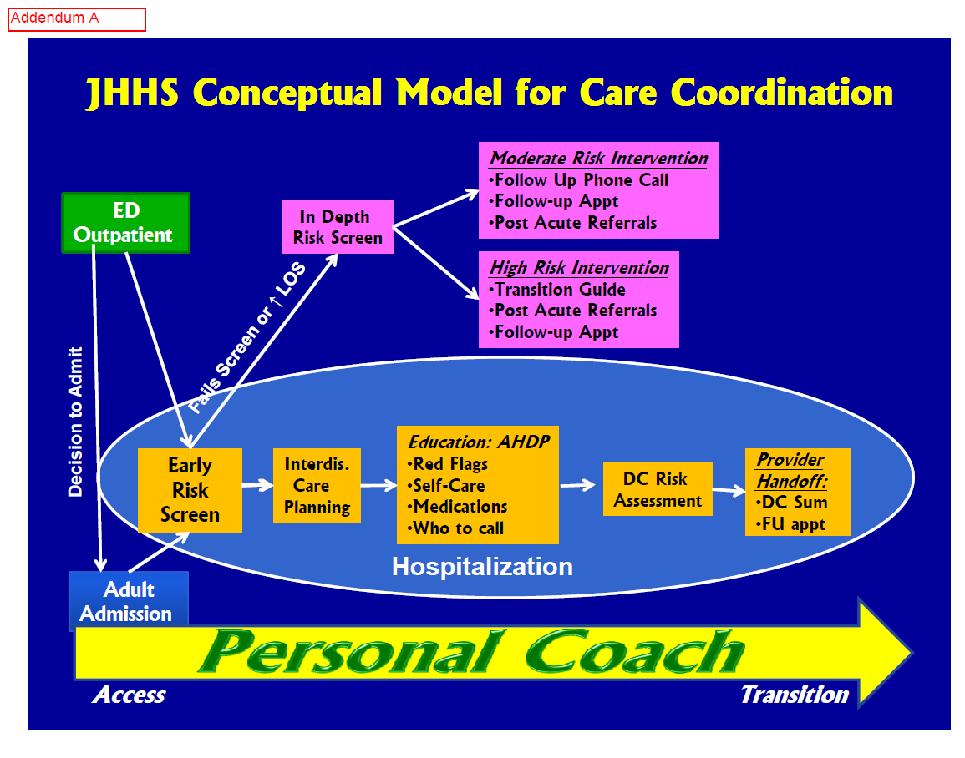

UnivMarlandMC
...
Hospital: University of Maryland Medical Center
System: UMMS
 |  |  |  |  |  |  | RN Care Coordinator | 4 |  | HPF
 |  |  |  |  |  |  | Community Liason | 1 |  | Pharmacy EMR
 |  |  |  |  |  |  | Nutritionist | 0.6 |  | Ambulatory Scheduling Sytem
 |  |  |  |  |  |  | Educator | 1
Sub-Category 1 |  | Employ the LACE Index Screening Tool to identifying high risk patients | Discontinued
Sub-Category 2 | Medication Mgmt | Ensuring medication reconciliation by pharmacist prior to discharge |  |  | FY 12 Q4
Sub-Category 3 | Medication Mgmt | Securing home medications for patients upon discharge |  |  | FY 12 Q4
Sub-Category 4 | Case Mgmt/Care Coordin | Telephone follow-up appointment or in-person encounter within 72 hours of discharge |  |  | FY 12 Q4
Sub-Category 5 | Discharge Process Reengin | Ensure the patient’s primary care physician and/or specialist receives clinical information related to their patient’s admission prior to the first follow-up appointment |  |  | FY 12 Q4
Sub-Category 6 | Case Mgmt/Care Coordin | Assure a follow-up appointment within 10 days of discharge has been made with the primary care physician (PCP) |  |  | FY 12 Q4
Pilot Program Results
 | Nov-11 |  |  | Dec-11 |  |  |  | 2Q-FY2012
 | Num | Den | Rate | Num | Den | Rate |  | Total Num | Total Den | Rate
Metric 1: Medication Reconciliation | 1 | 1 | 100.00% | 2 | 2 | 100.00% |  | 3 | 3 | 100.00%
Metric 2: Patients Receiving Medications Prior to Discharge | 1 | 1 | 100.00% | 1 | 1 | 100.00% |  | 2 | 2 | 100.00%
Metric 3: % of Telephone Calls made by Care Coordination Team within 72 hours | 1 | 1 | 100.00% | 2 | 2 | 100.00% |  | 3 | 3 | 100.00%
Metric 4: Timeliness of Discharge Communications to PCP/Specialist within 72 hoursTimeliness of Discharge Communications to PCP/Specialist within 72 hours | 1 | 1 | 100.00% | 2 | 2 | 100.00% |  | 3 | 3 | 100.00%
Metric 5: Time from Discharge to First Follow-Up Appointment | 0 | 1 | 0.00% | 2 | 2 | 100.00% |  | 2 | 3 | 66.67%
Metric 6: Number of First Follow-Up Appointments Kept | 1 | 1 | 100.00% | 2 | 2 | 100.00% |  | 3 | 3 | 100.00%
Metric 7: Readmission Rate for Targeted Cardiac Patients | 0 | 1 | 0.00% | 0 | 2 | 0.00% |  | 0 | 3 | 0.00%

Upper Chesapeake-Harford
...
Hospital: Upper Chesapeake Health
System: UMMS
Sub-Category 3 | Patient Education | Teachback |  |  | FY 12 Q4
Sub-Category 4 | Discharge Process Reengin | Enhanced Communication w/Primary Care Physicians |  |  | FY11 Q4
Sub-Category 5 | Case Mgmt/Care Coordin | Post-discharge Follow-up |  |  | FY11 Q4
Sub-Category 6 | Clinical Pathways | Developing an Intensive Outpatient Psychiatric Program (IOP) |  |  | FY12 Q2
Sub-Category 7 | Clinical Pathways | Utilization of the Palliative Care Program |  |  | FY11 Q4

 |  | 2Q-FY2012
 |  | Total Num | Total Den | Rate
Metric 1: Readmissions Self Learning Packet – Completion and Pass Rate
Metric 2: Percent of Patients receiving HRCM Intervention Bundle
UCH has been unsuccesful with extracting process data from new EHR. Currently working to resolve the issue
Metric 3: 30 day readmission rate for patients w/HRCM Intervention
Metric 4: Percent of Patients with Teachback Interventions.
Metric 5: Patient perception of nursing communication when Teachback is implemented
Metric 6: Physician appointments scheduled. (Metric will expand to physician appointments kept in April 2012)
Metric 7: Discharge Summary Communication
Metric 8: Follow-Up Phone Calls
Metric 9: Psychiatric 30 day readmissions |  | 29 | 299 | 9.70%
Metric 10: Palliative Care Referrals to Hospice

